Sheet1
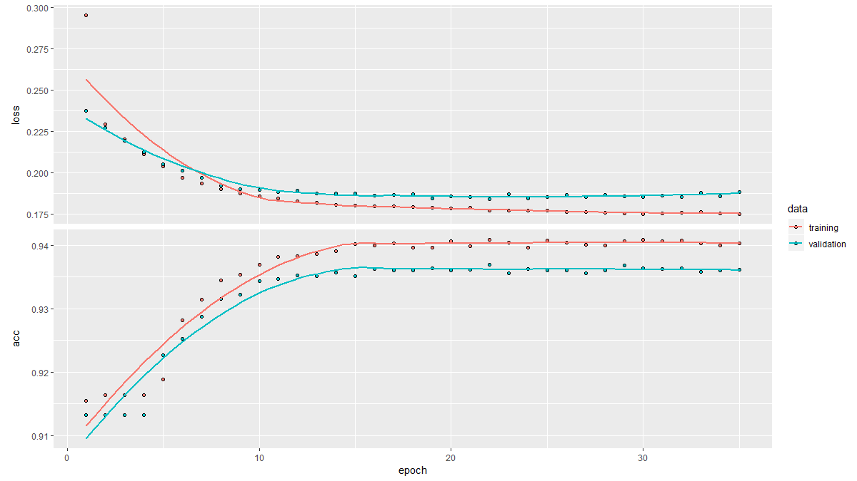
With 1 | > estimates_keras_tbl %>% conf_mat(truth, estimate)
 | Truth
 | Prediction no yes
 | no 9971 692
 | yes 30 268
 | > # Accuracy
 | > estimates_keras_tbl %>% metrics(truth, estimate)
 | # A tibble: 1 x 1
 | accuracy
 | <dbl>
 | 1 0.934
 | > # AUC
 | > estimates_keras_tbl %>% roc_auc(truth, class_prob)
 | [1] 0.8903174
 | > # Precision
 | > tibble(
 | + precision = estimates_keras_tbl %>% precision(truth, estimate),
 | + recall = estimates_keras_tbl %>% recall(truth, estimate)
 | + )
 | # A tibble: 1 x 2
 | precision recall
 | <dbl> <dbl>
 | 1 0.899 0.279
 | > # F1-Statistic
 | > estimates_keras_tbl %>% f_meas(truth, estimate, beta = 1)
 | [1] 0.4260731
with 2
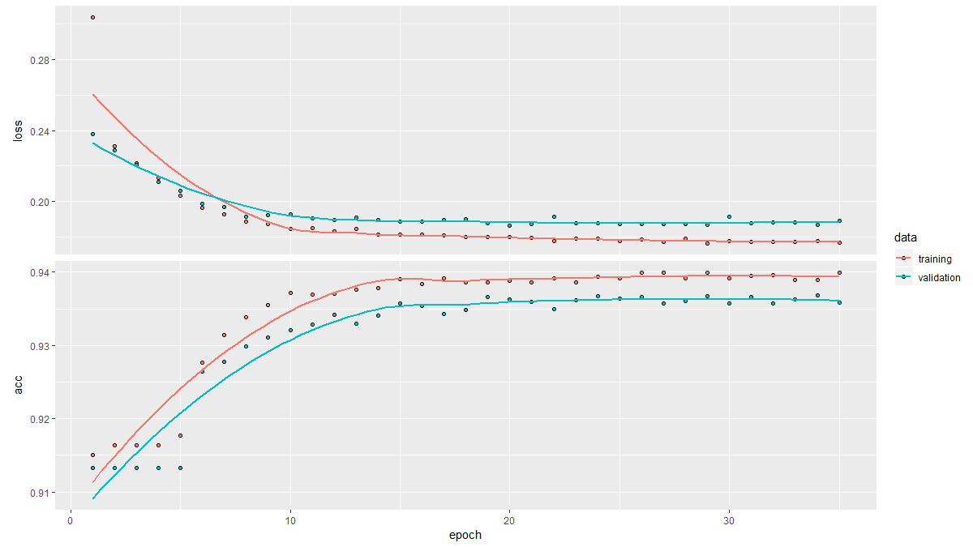

 | > estimates_keras_tbl %>% conf_mat(truth, estimate)
 | Truth
 | Prediction no yes
 | no 9985 696
 | yes 16 264
 | > # Accuracy
 | > estimates_keras_tbl %>% metrics(truth, estimate)
 | # A tibble: 1 x 1
 | accuracy
 | <dbl>
 | 1 0.935
 | > # AUC
 | > estimates_keras_tbl %>% roc_auc(truth, class_prob)
 | [1] 0.8919466
 | > # Precision
 | > tibble(
 | + precision = estimates_keras_tbl %>% precision(truth, estimate),
 | + recall = estimates_keras_tbl %>% recall(truth, estimate)
 | + )
 | # A tibble: 1 x 2
 | precision recall
 | <dbl> <dbl>
 | 1 0.943 0.275
 | > # F1-Statistic
 | > estimates_keras_tbl %>% f_meas(truth, estimate, beta = 1)
 | [1] 0.4258065

with 3
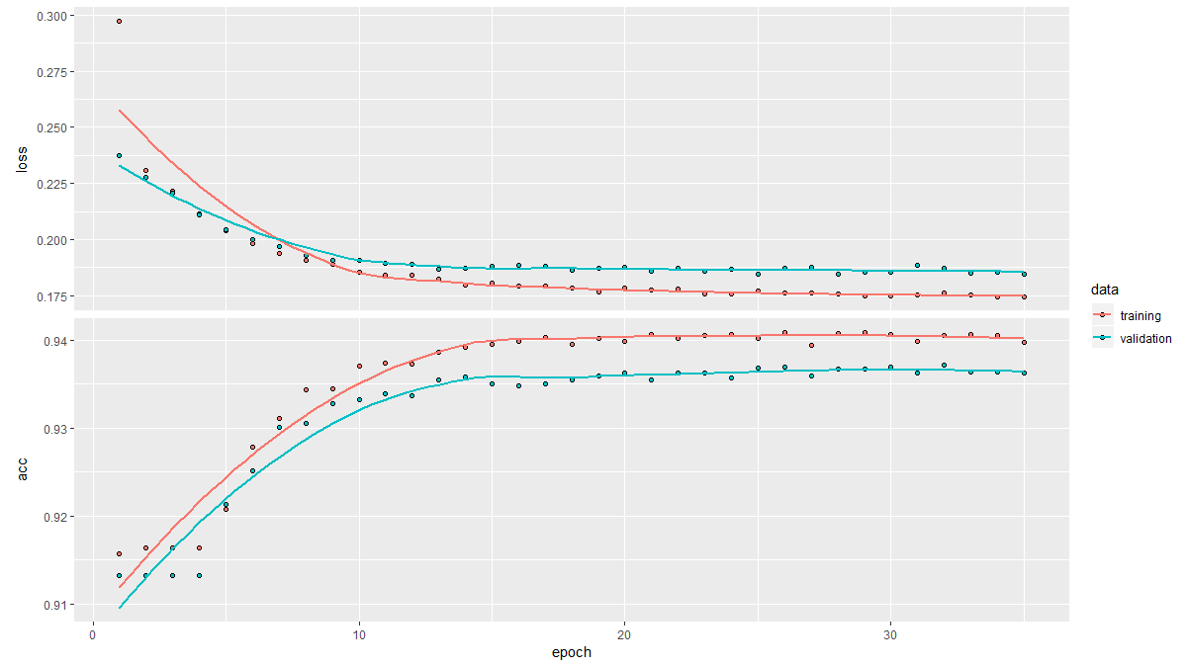

 | > # Confusion Table
 | > estimates_keras_tbl %>% conf_mat(truth, estimate)
 | Truth
 | Prediction no yes
 | no 9977 683
 | yes 24 277
 | > # Accuracy
 | > estimates_keras_tbl %>% metrics(truth, estimate)
 | # A tibble: 1 x 1
 | accuracy
 | <dbl>
 | 1 0.935
 | > # AUC
 | > estimates_keras_tbl %>% roc_auc(truth, class_prob)
 | [1] 0.8899067
 | > # Precision
 | > tibble(
 | + precision = estimates_keras_tbl %>% precision(truth, estimate),
 | + recall = estimates_keras_tbl %>% recall(truth, estimate)
 | + )
 | # A tibble: 1 x 2
 | precision recall
 | <dbl> <dbl>
 | 1 0.920 0.289
 | > # F1-Statistic
 | > estimates_keras_tbl %>% f_meas(truth, estimate, beta = 1)
 | [1] 0.4393339

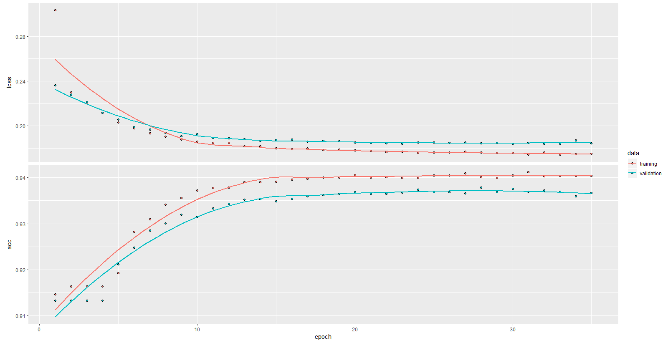
with 4
 | > # Confusion Table
 | > estimates_keras_tbl %>% conf_mat(truth, estimate)
 | Truth
 | Prediction no yes
 | no 9972 677
 | yes 29 283
 | > # Accuracy
 | > estimates_keras_tbl %>% metrics(truth, estimate)
 | # A tibble: 1 x 1
 | accuracy
 | <dbl>
 | 1 0.936
 | > # AUC
 | > estimates_keras_tbl %>% roc_auc(truth, class_prob)
 | [1] 0.8888979
 | > # Precision
 | > tibble(
 | + precision = estimates_keras_tbl %>% precision(truth, estimate),
 | + recall = estimates_keras_tbl %>% recall(truth, estimate)
 | + )
 | # A tibble: 1 x 2
 | precision recall
 | <dbl> <dbl>
 | 1 0.907 0.295
 | > # F1-Statistic
 | > estimates_keras_tbl %>% f_meas(truth, estimate, beta = 1)
 | [1] 0.4449686

